Sheet1
IM Number | Description | Status | Attachment | Comments
IM21701360 | Hi We have another change request for Webmarms UK&I, I have attached the request, please note any queries should be raised to Bill Shield (UK) | Work In Progress | Hi Paul, Had a mail from Flore saying she is seeing an error creep into the discount structure. Bless her she explains it really well. Also, looks like I’ve cocked up as well, as I did not specify a reseller discount to be applied on Webmarms as well. So sorry to ask, but I need to get a couple of things changed in Webmarms again: 1. The discount to be changed for the 9% to the 9% Channel DC is applied to List price (after published discounts have been applied). 2. We need to add a 7% reseller discount with the same logic applied above. To explain it more I have taken the detail from the Channel Op’s guide. It states: 7.7 Discounts overview Discounts don’t apply on the same base between list and net price. The following discounts will be applied on the following basis: Local List Price - Partner Base Discount (applied to list price) - Multiyear (applied to list price) ================ = Subnet Price - SND (applied to subnet price) ================ = Net Price - Prepay (applied to net price) ================ = Actual Invoice amount As always, thank you in advance ☺ Kind Regards Bill Bill Shield Partner Business Manager Technology Services PC Phone: +44(0)560 1094718 Mobile: +44(0)7774 142956 email: Bill.Shield@HPe.com HP Enterprise Services UK Limited | Registered Office: Cain Road, Bracknell, Berkshire RG12 1HN | Registered Number: 00936751 England | VAT number: GB 432 9959 15 The contents of this message and any attachments to it are strictly confidential and may be legally privileged. If you have received this message in error you should delete it from your system immediately and advise the sender. To any recipient of this message within Hewlett Packard Enterprise, unless otherwise stated, you should consider this message and attachments as “CONFI
IM21770568 | When I try to recover an attached file from closed requests I get the error message: Error Number : DF%2D03 Error Description : You+are+not+authorized+to+download+this+file%2E+Please+make+sure+that+you+are+following+links+that+are+provided+by+the+application%2E Would it be possible to have access to those files? **Title from related Incident record IM21186266: I need to recover attached files from closed requests 02/23/2016 00:34:14 US/Pacific (miguel.castano@hpe.com): | Work In Progress | 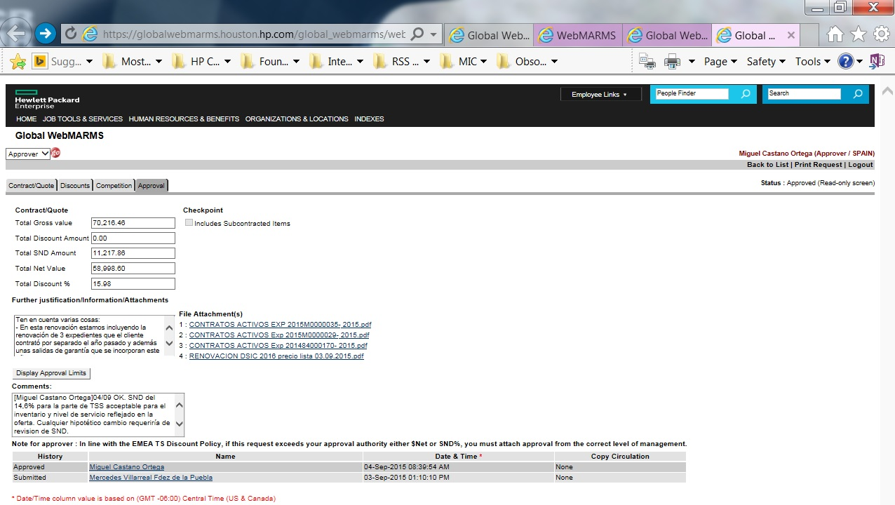
IM22730955 | Please update WebMARMS tool to coincide with E24 T&C's. 1) Remove Site Density discount 2) Remove Account dollar Volume Discount 3) Change Multi-Year discount to 2YR band=3%; 3YR or greater band=4% | Work In Progress | no attachments
IM22896844 | Max Ramos – default manager should be Frank Hall or Ted Wolf; remove managers noted below Robert Plakias Dennis Myers Ron Grabowski – his default manager should be Max Ramos, remove all the managers noted below Jim Hardin Rick Hamilton Katherine Dixon | Work In Progress | no attachments
IM22903490 | Attn: Dhiren Kumar Kaunar Unable to log into the WebMARMS admin tool. Cleared browser history and still not able to get into the tool. I tried Chrome and received the error message that "User no more valid" Both Diane Dresner and K, Murugan are both having this issue. 10/18/2016 14:02:51 US/Pacific (diane.dresner@hpe.com): Dennis Garcia is also having the same issue. Not sure about Eddah Bah. She is out today and unable to validate. | Work In Progress | no attachments
IM22915459 | I have been trying to submit CAN02069. The screens are not appearing in their usual and are not navigable. Also, the calendar for customer last date of contact dropdown is not working, and therefore cannot save it and/or submit for approvals. I have not been able to submit this request which is detrimental to customer satisfaction as I cannot apply discounts to their quotes. Thanks. | Work In Progress | no attachments
IM22938155 | The attached webmarms are in Chris Rintoul's (christina.rintoul@hpe.com) approval queue but she is unable to view them to approve; Her approval queue is empty. | Work In Progress
IM22941605 | I cannot submit my webmarms request due to the date of last customer contact field not allowing me to add a date. I used multiple browers and I am having the same problem. I restarted my pc I erased my browser history and cleared cache I also changed my LAN settings and I am still not able to submit. Attached is copy of the date of last customer contact field that is not populating for me. | Work In Progress
IM22946850 | The Webmarms tool is not working as it should. The pages are not in order, the tabs are not accessible, the calendar drop down for the last date of customer contact is not working. I have opened two requests and I cannot submit. CAN02069 and CAN02074. | Work In Progress | no attachments
IM22969417 | Hello, While trying to troubleshoot WebMARMS assignment issue, I was unable to view a request pending approval to view content. I need to be able to do this so I can determine where to reassign. I received the following error. Error Number : 890 Error Description : Invalid+user%2E+You+don%27t+have+enough+permissions+to+view+this+page | Work In Progress | no attachments
IM22987024 | Each time I have tried to log into the Webmarm tool it is not loading correctly, it starts on the wrong screen and I am unable to complete the request and submit for approval. I have to have access as I am a sales rep and have to request discounts etc. the one thing I notice when it does this is I am unable to use the carrot to pull down the calendar when a date is needed and cannot move foreward. . | Work In Progress | no attachments
IM22987816 | Hello, each time I want to attach a file, the system get empty when I click the "add to list" button... It is maybe an Internet Explorer option to change? thanks for your help, Regards, Corinne | Work In Progress | no attachments
IM22992422 | Remove the following managers name under Justin carter (justin.carter@hpe.com) Michael Brewer Nancy Smith | Work In Progress | no attachments
IM23019557 | While trying to forward approved email, receive error message. Tried in both IE and Chrome. Chrome will not let you select a person, IE states server error occured. Request FED04328 Not sure how widespread an issue. | Work In Progress | no attachments
M23019574 | Max Ramos, AMS US WebMARMS approver is unable to approve and forward any requests. We tried resubmitting and approving him through UAM. Please review / correct his profile. Thank you, | Work In Progress | no attachments
IM23051722 | Almost every time I log into Webmarm I get the wrong startup screen and I am unable to use the pull down carrot on the calendars when I try to fill in info. Therefore I am unable to submit a request, it will not work. This is a BIG problem because I use webmarm almost every day for my job as a rep, I have to request discount approvals, RTS approvals etc.. This is the 2nd support request I have sent on this problem. PLEASE HELP | Work In Progress | no attachments
IM23088697 | Janet Plummer is unable to approve requests. She can get in to the request, but will not let her save. " I can open a request. but can't approve. The approval dialogue box opens, I enter comments, but I can't get a final approval processed. I've rebooted my system twice..." She also cleared IE history. | Work In Progress | no attachments

